Schedule
G2108 (M) | G2111 (M) |  | G2204 (S)
{"D632ECA7D84C":"Left","C995B84176FD":"Right"} | {"CE2E2F402DB3":"Left","DAB093AC8599":"Right"} |  | {"D8B31642CBC2":"Left","C3560940C2CF":"Right"}
 | 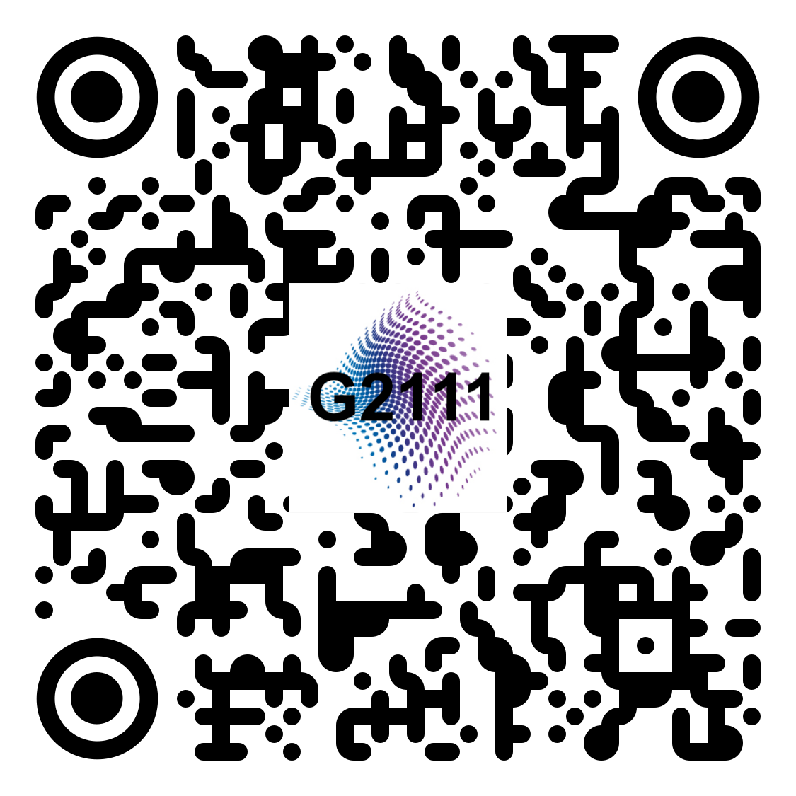 |  | 
iNTERACT Glove data collection
Day | Time | Participant - helper |  | id | Participant | Glove size | Glove ID | Username | Password
2022-05-03 | 10:00-14:00 | *********** |  | 1 | Subject4 | M | G2111 | *********** | ***********
 | 14:00-18:00 | *********** |  | 2 | Subject1 | M | G2108 | *********** | ***********
2022-05-04 | 10:00-14:00 | *********** |  | 3 | Subject2 | M | G2108 | *********** | ***********
 | 14:00-18:00 | *********** |  | 4 | Subject5 | M | G2108 | *********** | ***********
2022-05-05 | 10:00-14:00 | *********** |  | 5 | Subject3 | M | G2111 | *********** | ***********
 | 14:00-18:00 | ***********
2022-05-06 | 10:00-14:00 | ***********
 | 14:00-18:00 | *********** |  | Sheet information
2022-05-07 | 10:00-14:00 | *********** |  | SHEET ID |  | DATE | PARTICIPANT | NOTE
 | 14:00-18:00 | *********** |  | 2052022 |  | 2022-05-02 | TEST | pretest before subject1's test
2022-05-08 | 10:00-14:00 | *********** |  | 20220503 |  | 2022-05-03 | Subject1 | GL2108
 | 14:00-18:00 | *********** |  | 20220505 |  | 2022-05-05 | TEST | pretest before subject3's test
2022-05-09 | 10:00-14:00 | *********** |  | 20220506 |  | 2022-05-06 | Subject3 | GL2108
 | 14:00-18:00 | *********** |  | 20220507-1 |  | 2022-05-07 | TEST | pretest before Subject3's test
2022-05-10 | 10:00-14:00 | *********** |  | 20220507-2 |  | 2022-05-07 | TEST
 | 14:00-18:00 | *********** |  | 20220507-3 |  | 2022-05-07 | TEST
2022-05-11 | 10:00-14:00 | *********** |  | 20220508 |  | 2022-05-08 | Subject3 | GL2111
 | 14:00-18:00 | *********** |  | 20220512-1 |  | 2022-05-12 | TEST | GL2204
2022-05-12 | 10:00-14:00 | *********** |  | 20220512-2 |  | 2022-05-12 |  | GL2111
 | 14:00-18:00 | *********** |  | 20220512-3 |  | 2022-05-12 | TEST | Pretest before Subject4's test
2022-05-13 | 10:00-14:00 | *********** |  | 20220513-1 |  | 2022-05-13 | Subject1 | GL2108
 | 14:00-18:00 | *********** |  | 20220513-2 |  | 2022-05-13 | Subject4 | GL2111
2022-05-14 | 10:00-14:00 | *********** |  | 20220523 |  | 2022-05-23 | Subject5 | GL2108
 | 14:00-18:00 | ***********
2022-05-15 | 10:00-14:00 | ***********
 | 14:00-18:00 | ***********
2022-05-16 | 10:00-14:00 | ***********
 | 14:00-18:00 | ***********
2022-05-17 | 10:00-14:00 | ***********
 | 14:00-18:00 | ***********
2022-05-18 | 10:00-14:00 | ***********
 | 14:00-18:00 | ***********
2022-05-19 | 10:00-14:00 | ***********
 | 14:00-18:00 | ***********
2022-05-20 | 10:00-14:00 | ***********
 | 14:00-18:00 | ***********
2022-05-21 | 10:00-14:00 | ***********
 | 14:00-18:00 | ***********
2022-05-22 | 10:00-14:00 | ***********
 | 14:00-18:00 | ***********
2022-05-23 | 10:00-14:00 | ***********
 | 14:00-18:00 | ***********

